Sheet1
 |  |  |  |  |  | State | T | P | V
 |  |  |  |  |  | - | ᵒC | kPa | cm^3
 |  |  |  |  |  | 1 | 35 | 100 | 957.25584792
 |  |  |  |  |  | 2 | 545.39264066 | 3054.7591652 | 83.23963895
 |  |  |  |  |  | 3 | 1852.2983009 | 7932.0640793 | 83.23963895
 |  |  |  |  |  | 4 | 527 | 259.66250203 | 957.25584792

 |  |  | Compression |  | Heat Addition |  | Expansion |  | Heat Rejection
957.25584792 | 100 | 957.25584792 | 100 | 83.23963895 | 3054.7591652 | 83.23963895 | 7932.0640793 | 83.23963895 | 259.66250203
83.23963895 | 3054.7591652 | 83.23963895 | 3054.7591652 | 83.23963895 | 7932.0640793 | 957.25584792 | 259.66250203 |  | 100
83.23963895 | 7932.0640793
957.25584792 | 259.66250203
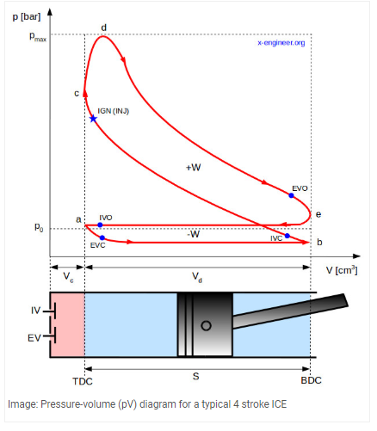
 | Desciption | Value | Units | Alt Value | Alt Units
Given | V1 | 957.25584792 | cm^3
Given | P1 (atm) | 100 | kPa
Given | T1 (atm) | 35 | ᵒC | 308.15 | K
Given | Cv | 0.718 | kJ/(kg*K)
Given | Cp | 1.0052 | kJ/(kg*K)
Given | k | 1.4 | -
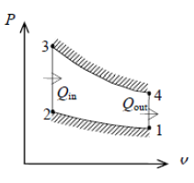
Given | R_air | 0.287 | kJ/kg*K
Given | CR | 11.5 | -
Given | T4 | 527 | ᵒC

 | V2 | 83.23963895 | cm^3
 | V_swept | 874.01620897 | cm^3
1-2 Adiabatic Isentropic Compression | T2 | 818.54264066 | K
1-2 Isentropic Compression | P2 | 3054.7591652 | kPa
3-4 Adiabatic Isentropic Expansion | T3 | 2125.4483009 | K
2-3 Isochoric Heat Addition | P3 | 7932.0640793 | kPa
4-1 Isochoric Heat Addition | P4 | 259.66250203 | kPa
 | m_air | 0.0010823904688 | kg
 | Q_23 | 1.0156700414 | kJ
 | Q_41 | -0.38236092746 | kJ
 | W_net | 0.6333091139 | kJ
 | ƞ_th | 62%
 | MEP | 724.59653197 | kPa

